Add-Remove Lines Examples
 | Add an employee

1. | Select/highlight the 3 rows of another employee currently in the budget (1st row is the header row of employee information [row 7 of screenshot], 2nd row is the employee information [row 8 of screenshot], 3rd is the employee narrative [row 9 of screenshot]).

Screenshot

2. | Copy the 3 highlighted rows. This can be done by pressing “CTRL” + “C” or right clicking the highlighted rows and left clicking copy on the menu.

Screenshot

3. | Right click 1 row below what you just copied (row 10 in screenshot below), and left click “Insert Copied Cells”. This will insert 3 rows of an exact copy of your previous 3 row selection. This ensures all formulas are exactly copied and pasted, plus ensures all sum or sumproduct formulas for personnel/fringe total expand WITH your new employee data.

Screenshot

4. | Screenshot below is example of the final result. Two employee sections of the same information and formulas that followed/expanded without any additional edits. Modify the second employee area to account for the name/position/pay etc… changes of the new employee area.

Screenshot

 | Remove an employee

1. | Highlight the 3 rows of employee data you want to delete (1st row is the header row of employee information [row 10 of screenshot], 2nd row is the employee information [row 11 of screenshot], 3rd row is the employee narrative [row 12 of screenshot]).

Screenshot

2. | Press "CTRL" + "-" or right click the rows then left click “Delete”.

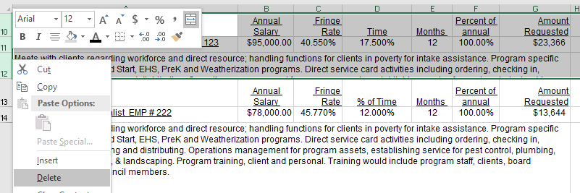
Screenshot

Add/Remove contractor rows
 | Add a contractor

1. | Highlight/Select the row below the "Method of Accountability" row of the previous contractor (row 75 of screenshot). Add a new row by pressing "CTRL" + "+" or right clicking the highlighted row then and left clicking "Insert".

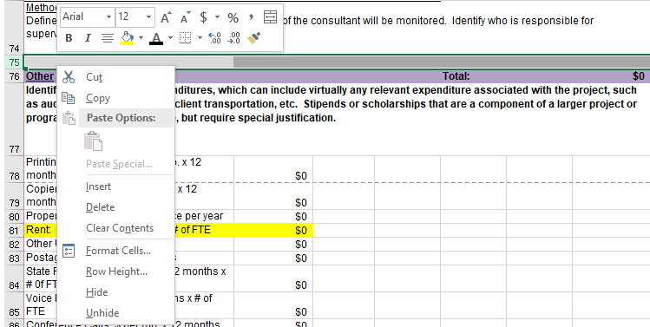
Screenshot

2. | Select/highlight the 10 rows of another contractor currently in the budget (1st row is the row with contractor name and "total" [row 65 of screenshot], 10th row is the "Method of Accountability" row [row 74 of screenshot]).

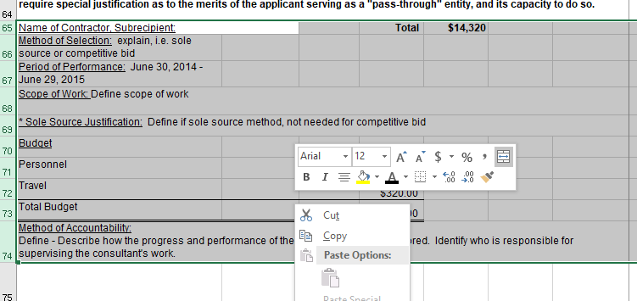
Screenshot

3. | Right click 1 row below the blank row you just added (row 76 of the screenshot) then right click "Insert Copied Cells". Update the information for the new contractor.

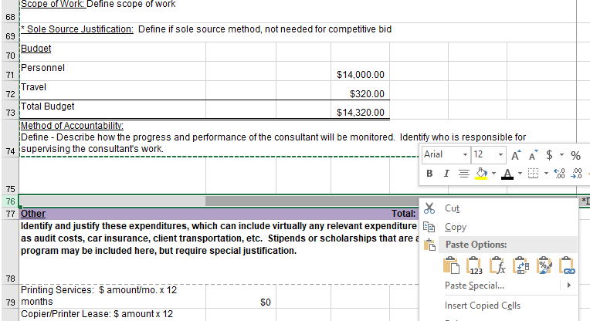
Screenshot

 | Remove a contractor

1. | Select/highlight the 11 rows of the contractor (the 1st row is the blank row above the contractor's name [row 75 of screenshot], the 11th row is the "Method of Accountability" row [row 85 of screenshot]). Press "CTRL" + - or righ click the highlighted area and left click "Delete"

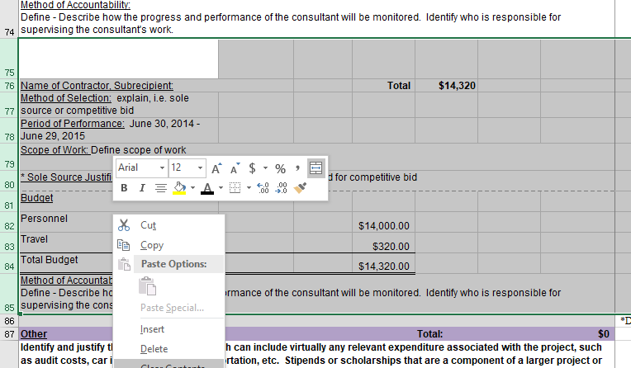
Screenshot

 | Add contractor line item

1. | Highlight/select the row that says "Travel" (row 72 of screenshot). Add a new row by pressing "CTRL" + "+" or right click the highlighted area then left click "Insert"

Screenshot

2. | Highlight/Select the new blank row (row 72 of screenshot)

Screenshot

3. | Copy the data from the row above by pressing "CTRL" + "D"

Screenshot

4. | Update the category title and amount. Repeat as needed. Adding line items this way ensures that all sum formulas expand with the new data and all new line items retain the same format.

Screenshot

